SP Sales Amount Analysis
 | 1,000,000
(SP Sales Amount, USD)
Model | 2020-01 | 2020-02 | 2020-03 | 2020-04 | 2020-05 | 2020-06 | 2020-07 | 2020-08 | 2020-09 | 2020-10 | 2020-11 | 2020-12 | Total
NB | $1,466,865.92 | $466,049.10 | $2,796,929.82 | $2,160,965.85 | $0.00 | $0.00 | $0.00 | $0.00 | $0.00 | $0.00 | $0.00 | $0.00 | $6,890,810.69
DT | $177,255.33 | $9,409.50 | $239,308.83 | $0.00 | $0.00 | $0.00 | $0.00 | $0.00 | $0.00 | $0.00 | $0.00 | $0.00 | $425,973.66
SVR | $0.00 | $0.00 | $0.00 | $0.00 | $0.00 | $0.00 | $0.00 | $0.00 | $0.00 | $0.00 | $0.00 | $0.00 | $0.00
MNT | $118,865.37 | $95,726.12 | $262,945.55 | $0.00 | $0.00 | $0.00 | $0.00 | $0.00 | $0.00 | $0.00 | $0.00 | $0.00 | $477,537.04
PRJ | $31,342.42 | $18,985.37 | $92,754.90 | $0.00 | $0.00 | $0.00 | $0.00 | $0.00 | $0.00 | $0.00 | $0.00 | $0.00 | $143,082.69
Total | $1,862,414.52 | $736,108.11 | $3,427,608.71 | $2,160,965.85 | $0.00 | $0.00 | $0.00 | $0.00 | $0.00 | $0.00 | $0.00 | $0.00 | $8,187,097.19

(SP Sales Amount, USD, Million)
Model | 2020-01 | 2020-02 | 2020-03 | 2020-04 | 2020-05 | 2020-06 | 2020-07 | 2020-08 | 2020-09 | 2020-10 | 2020-11 | 2020-12 | Total
NB | 1.47 | 0.47 | 2.80 | 2.16 | 0.00 | 0.00 | 0.00 | 0.00 | 0.00 | 0.00 | 0.00 | 0.00 | 6.89
DT | 0.18 | 0.01 | 0.24 | 0.00 | 0.00 | 0.00 | 0.00 | 0.00 | 0.00 | 0.00 | 0.00 | 0.00 | 0.43
SVR | 0.00 | 0.00 | 0.00 | 0.00 | 0.00 | 0.00 | 0.00 | 0.00 | 0.00 | 0.00 | 0.00 | 0.00 | 0.00
MNT | 0.12 | 0.10 | 0.26 | 0.00 | 0.00 | 0.00 | 0.00 | 0.00 | 0.00 | 0.00 | 0.00 | 0.00 | 0.48
PRJ | 0.03 | 0.02 | 0.09 | 0.00 | 0.00 | 0.00 | 0.00 | 0.00 | 0.00 | 0.00 | 0.00 | 0.00 | 0.14
Total | 1.86 | 0.74 | 3.43 | 2.16 | 0.00 | 0.00 | 0.00 | 0.00 | 0.00 | 0.00 | 0.00 | 0.00 | 8.19

SP Sales Amount/AI FG Sales Revenue (%)
Model | 2020-01 | 2020-02 | 2020-03 | 2020-04 | 2020-05 | 2020-06 | 2020-07 | 2020-08 | 2020-09 | 2020-10 | 2020-11 | 2020-12 | Total
NB | 0.35% | 0.13% | 0.37% | 0.29% | 0.00% | #DIV/0! | #DIV/0! | #DIV/0! | #DIV/0! | #DIV/0! | #DIV/0! | #DIV/0! | #DIV/0!
DT | 0.04% | 0.00% | 0.03% | 0.00% | 0.00% | #DIV/0! | #DIV/0! | #DIV/0! | #DIV/0! | #DIV/0! | #DIV/0! | #DIV/0! | #DIV/0!
SVR | 0.00% | 0.00% | 0.000% | 0.000% | 0.000% | #DIV/0! | #DIV/0! | #DIV/0! | #DIV/0! | #DIV/0! | #DIV/0! | #DIV/0! | #DIV/0!
MNT | 0.03% | 0.03% | 0.03% | 0.00% | 0.00% | #DIV/0! | #DIV/0! | #DIV/0! | #DIV/0! | #DIV/0! | #DIV/0! | #DIV/0! | #DIV/0!
PRJ | 0.01% | 0.01% | 0.01% | 0.00% | 0.00% | #DIV/0! | #DIV/0! | #DIV/0! | #DIV/0! | #DIV/0! | #DIV/0! | #DIV/0! | #DIV/0!
Total | 0.44% | 0.21% | 0.46% | #DIV/0! | #DIV/0! | #DIV/0! | #DIV/0! | #DIV/0! | #DIV/0! | #DIV/0! | #DIV/0! | #DIV/0! | #DIV/0!

AI Revenue (TWD, 千) | 13,553,085 | 11,230,756 | 24,070,662 |  |  |  |  |  |  |  |  |  | 48,854,503
AI Revenue (TWD) | 13,553,085,000 | 11,230,756,000 | 24,070,662,000 | 0 | 0 | 0 | 0 | 0 | 0 | 0 | 0 | 0 | 48,854,503,000
AI FG Sales Revenue (US$) | 423,533,906 | 350,961,125 | 752,208,188 | 0 | 0 | 0 | 0 | 0 | 0 | 0 | 0 | 0 | 1,526,703,219
AI FG Sales Revenue (US$, million) | 423.53 | 350.96 | 752.21 | 0.00 | 0.00 | 0.00 | 0.00 | 0.00 | 0.00 | 0.00 | 0.00 | 0.00 | 1,526.70

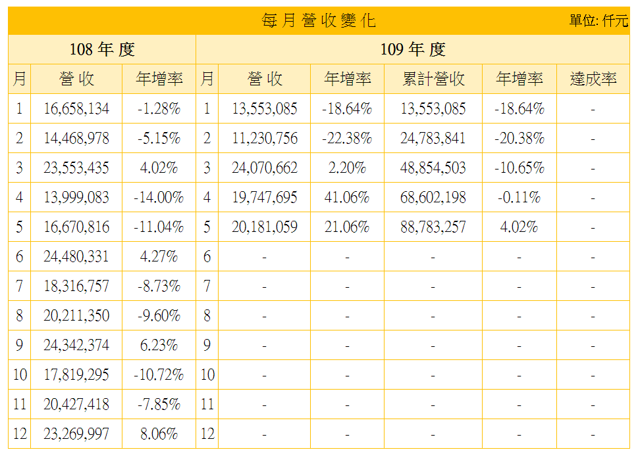

https://tw.stock.yahoo.com/d/s/earning_2353.html

ODM SP Sales Amount
ODM SP Sales Amount (USD, Million)
Model | 2020-01 | Total
NB | 1.47 | 6.89
DT | 0.18 | 0.43
SVR | 0.50 | 0.00
MNT | 0.12 | 0.48
PRJ | 0.03 | 0.14
Total | 1.86 | 8.19
% | 0.44% | 0.00%

ODM SP Sales Amount
 | NB | DT | SVR | MNT | PRJ
2020-01 | 1.47 | 0.18 | 0.50 | 0.12 | 0.03

SP Sales Amount Bar chart
SP Sales Amount (USD, Million)
Model | 2020-01 | Total
B&S | 0.93 | 3.40
ODM parts | 1.86 | 8.19
All | 2.80 | 11.59
FG | 423.53 | 1,526.70
% All vs. FG | 0.66% | 0.76%

SP Sales Amount
 | B&S | ODM parts | All
2020-01 | 0.93 | 1.86 | 2.80

